Bug Reports
Bug ID | Description/Summary | Steps to reproduce | Expected Result | Actual Result | Severity | Priority | Screenshot
BUG-SD-1 | Error message does not scale well for cases A, B, D. | 1. Open the application (https://www.saucedemo.com/) in a supported browser. 2. Enter any invalid data into 'Username' and 'Password' fields. (For example Username: test ; Password: test) 3. Check visual integrity of User Interface in various scales after entering any invalid data. A. Native UI scale: 100% (ER-1). B. Downscaled UI: 50% (ER-1). C. Upscaled UI: 150% (ER-1). D. Upscaled UI: 300% (ER-1). | 1. User Interface should change accordingly without breaking functionality of input fields, buttons etc. Error message should show correctly and be fully visible for user. | Error message does not scale well for cases: A, B, D. | low | medium | 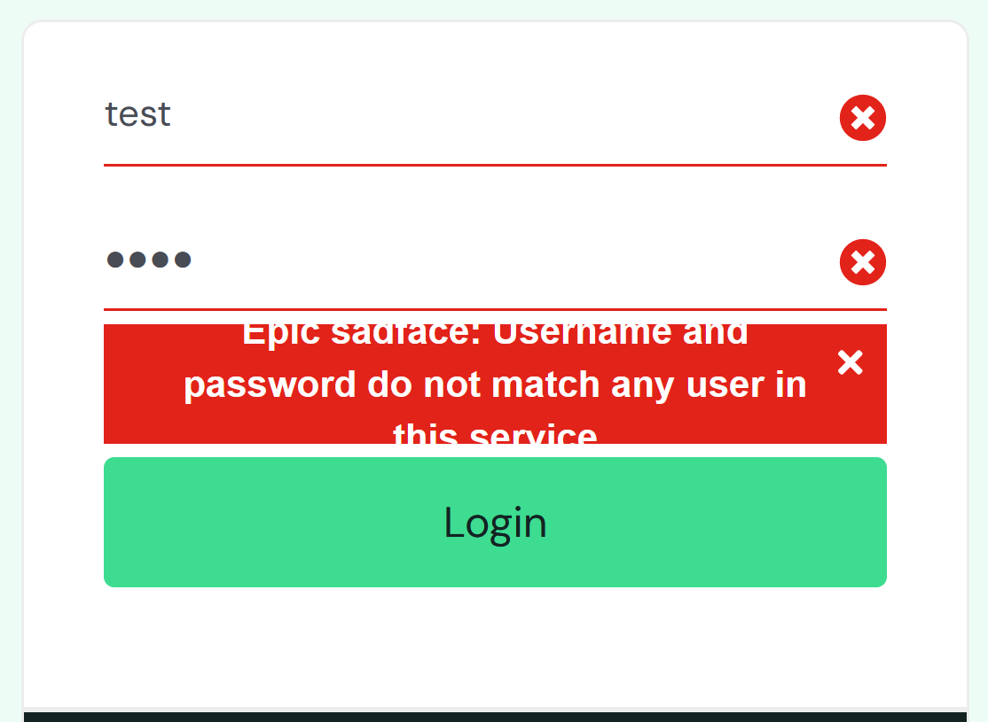
BUG-SD-2 | When using only keyboard, visibility of selection while using tab button is necessary to avoid user's confusion. | 1. Open the application (https://www.saucedemo.com/) in a supported browser. 2. Keep pressing 'Tab' button on keyboard to select fields. Enter Test Data into Username and Password fields. (Username: standard_user ; Password: secret_sauce) 3. Keep pressing 'Tab' button on keyboard to select 'Login' button. (ER-1) 4. Press 'Enter' button on keyboard. (ER-2) | 1. 'Login' button should be visibly highlightened. 2. User should be redirected to 'Home' page. | Login functionality works correctly, however lack of visible selection of 'Login' button is going to be misleading for users. | low | low | 